What-If Analysis
What IF Analysis - Part III.
In the previous sections (7.2 / 7.3 ) we've examined the Elasticities and Inelasticities of Products. We've also gone ahead with calculating our first economic metric, Cost to Produce Desalinated Water.
We're now at the final stage of this economic case study and it will be much shorter than the preceding 7.3 Assignment (Hooray!)
Economic Data Analysis, as you know by now, is focused on understanding the drivers which impact supply and demand and translating these into actionable business insights. It is also used for better understanding when certain decisions should be made (e.g. Should we look at selling this product now or in a few months time for improved earnings?)
Now we're aware that Southern Water Corp. has been considering to perform a major maintenance activity for one of its major desalination plants, Surjek. The business hypotheses is that it is best for us to perform the maintenance for Surjek in the first quarter of the year going forward (January-15 to March-15).
However, we don't have data going all the way to January-15 to March-15. What we do have however, is data from July 2013 - June 2014. We also have pricing data from January 2014 - December 2014.
We can't use what we don't have - so let's use what we do have. In other words, we'll be making use of the data in the Water Trading Repository Tables to forecast what the demand profile may look like for the future.
We're now going to address this question by show-casing a What-IF Analysis. This means we're going to create a forward-looking trajectory and evaluate when is the best period for us to perform a maintenance event for Surjek using our historical economic data.
Let's get started!

Q10. Complete the table below with the Average Monthly Water Balancing Market Price (WBMP) and Average Market Water Demand using data from the Water Trading Repository Table. What trends are you able to pick up when comparing the Water Balancing Market Price and the Average Water Market Demand? Does having a maintenance event in Q1 look like a good idea? Note: Consider using the AVERAGEIFS function to help you address this question if you're stuck! https://support.microsoft.com/en-us/office/averageifs-function-48910c45-1fc0-4389-a028-f7c5c3001690
Hint: Use the Water Trading Repository Table Data as your data source. Even though the date/time doesn't align, we can use the information as a proxy for the 2014/2015 data. It may also help to graph out the data and see if any trends become particularly obvious...!
Source |  |  |  | Jul-14 | Aug-14 | Sep-14 | Oct-14 | Nov-14 | Dec-14 | Jan-15 | Feb-15 | Mar-15 | Apr-15 | May-15 | Jun-15 | Total
 |  |  |  | 7 | 8 | 9 | 10 | 11 | 12 | 1 | 2 | 3 | 4 | 5 | 6
Water Trading Repository Table | Average Water Balancing Market Price |  |  | $76.60 | $74.93 | $74.07 | $75.09 | $73.70 | $74.38 | $86.39 | $86.83 | $81.50 | $72.57 | $71.26 | $72.16 | $76.62
Water Trading Repository Table | Market Water Demand (Mega-Litres) |  |  | 2,283.05 | 2,201.06 | 2,153.34 | 2,098.99 | 2,200.93 | 2,312.20 | 2,298.19 | 2,406.09 | 2,127.81 | 2,185.80 | 2,145.78 | 2,229.75 | $2,220.25

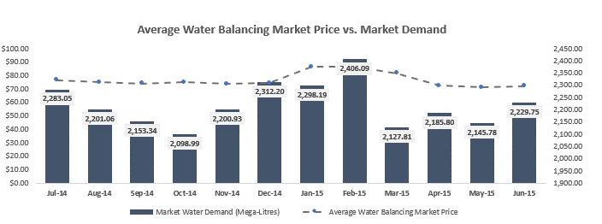

Place your answer here | Here in the above table what I was observed was in the month dec-14 to feb-14 the market water demand was high and the average cost to produce is about 85$ and from dec-14 to jan-15 the water balancing market price is increse grduallly about 10$ increse from 74 to 86$ but the water demand was same as previous we need to observe that even in march -15 also we observe the cost same similar like previous but the market water demand is decresed from previous month.

We've identified a particular trend in our earlier analysis; It seems that one of the quarters tends to have the highest prices. As we perform our what-if analysis it's important we can clearly identify the quarter we should recommend to perform our major maintenance. Let's calculate this below and land-on a quarter we can propose to focus our analysis on. Q11. Complete the table below identifying which quarter has the highest/lowest prices with the respective Average Quarterly Water Volumes. What do you notice? Note: Reference the Water Trading Repository Table for your calculations.
Quarter |  | Average Quarterly Price Per Trading Period | Average Quarterly Water Demand Per Trading Period
Quarter 1 (January - March) |  | $84.84 | 2,273.07
Quarter 2 (April to June) |  | $71.99 | 2,186.66
Quarter 3 (July to September) |  | $75.21 | 2,213.13
Quarter 4 (October to December) |  | $74.40 | 2,204.07

Place your answer here | the quarter one has having the highest average quaterly pirceper trading period and the water demand was 2273 what I observed was the water demand is similarly for each quarter but the cost has major change for quarter 1 with other quarters 2,3,4 .

We've now completed the first-part of our What-If Analysis. We've identified that the best period for us to perform a maintenance event is during a specific quarter. We now need to finalise our recommendation by showing the What-If Impact of our analysis. In Other words, if we are to perform this Maintenance Outage for Quarter 1, Quarter 2, Quarter Three and Quarte Four - what impact would this have on our revenues?

Q12. Fill out the table(s) below explaining why the Quarter you are proposing is the best option for Southern Water Corp. when considering the impact on Revenues. We recommend accompanying the table with an appropriate visual to help highlight the point you are trying to make. Note: Recall that for the Quarter you are recommending for a maintenance outage, the revenues for that entire quarter for Surjek will be 0. Remember, if we are producing no water - we can't earn revenues.
 |  |  |  | Q3 | Q3 | Q3 | Q4 | Q4 | Q4 | Q1 | Q1 | Q1 | Q2 | Q2 | Q2
Account Type | Unit | Value Driver |  | Jul-13 | Aug-13 | Sep-13 | Oct-13 | Nov-13 | Dec-13 | Jan-14 | Feb-14 | Mar-14 | Apr-14 | May-14 | Jun-14 | Total
Financial Actual | Kootha | Revenues |  | $5,914,581.20 | $5,696,664.24 | $5,260,681.83 | $5,221,955.49 | $5,514,147.17 | $5,380,892.20 | $7,822,599.72 | $6,924,324.63 | $7,297,789.39 | $5,332,240.42 | $5,394,917.14 | $5,184,163.87 | $70,944,957.30
Financial Actual | Surjek | Revenues |  | $17,328,050.97 | $14,604,314.44 | $16,135,900.12 | $15,151,633.27 | $13,832,900.80 | $15,562,959.62 | $22,354,057.62 | $18,580,950.73 | $19,644,680.78 | $18,268,435.05 | $14,627,298.49 | $16,164,167.27 | $202,255,349.17
Financial Actual | Jutik | Revenues |  | $12,716,846.79 | $13,050,243.88 | $13,235,472.92 | $11,815,762.27 | $11,881,724.45 | $11,127,131.81 | $15,491,089.40 | $15,776,843.23 | $14,151,791.64 | $15,011,361.79 | $14,286,635.35 | $15,120,321.85 | $163,665,225.38

Now If we perform the Maintenance Outage for Surjek in Q1, Q2, Q3 or Q4 our Revenues will be…
Account Type | Unit | Value Driver | Quarter | Jul-13 | Aug-13 | Sep-13 | Oct-13 | Nov-13 | Dec-13 | Jan-14 | Feb-14 | Mar-14 | Apr-14 | May-14 | Jun-14 | Total | % Revenue Reduction
Financial Actual | Surjek | Revenues | Q1 | $17,328,050.97 | $14,604,314.44 | $16,135,900.12 | $15,151,633.27 | $13,832,900.80 | $15,562,959.62 | $0.00 | $0.00 | $0.00 | $18,268,435.05 | $14,627,298.49 | $16,164,167.27 | $141,675,660.04 | 29.95%
Financial Actual | Surjek | Revenues | Q2 | $17,328,050.97 | $14,604,314.44 | $16,135,900.12 | $15,151,633.27 | $13,832,900.80 | $15,562,959.62 | $22,354,057.62 | $18,580,950.73 | $19,644,680.78 | $0.00 | $0.00 | $0.00 | $153,195,448.36 | 24.26%
Financial Actual | Surjek | Revenues | Q3 | $0.00 | $0.00 | $0.00 | $15,151,633.27 | $13,832,900.80 | $15,562,959.62 | $22,354,057.62 | $18,580,950.73 | $19,644,680.78 | $18,268,435.05 | $14,627,298.49 | $16,164,167.27 | $154,187,083.64 | 23.77%
Financial Actual | Surjek | Revenues | Q4 | $17,328,050.97 | $14,604,314.44 | $16,135,900.12 | $0.00 | $0.00 | $0.00 | $22,354,057.62 | $18,580,950.73 | $19,644,680.78 | $18,268,435.05 | $14,627,298.49 | $16,164,167.27 | $157,707,855.47 | 22.03%

Note: We've included an additional hint below which shows what your graphic might look like upon completion It might also be helpful for you to calculate the 'Revenue % Reduction' to see how much less revenue you might receive if you perform the outage in a particular quarter.
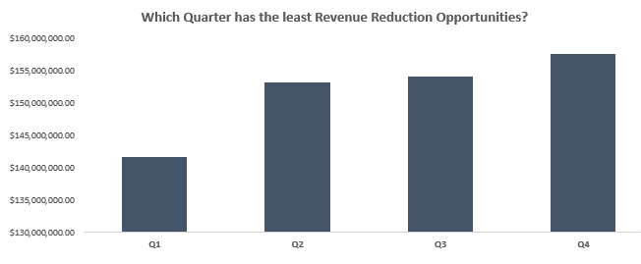

Well done! You've now completed the Economics Case Study Analysis! Let's top this off now by creating an insightful story we can present back to Southern Water Corps. Management using the templates provided.

